Pivot
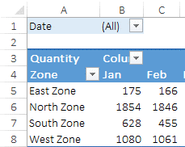
Date | (All) | Date | (All)

Zone | Quantity | Zone | Quantity
East Zone | 1791 | IT | 1664
North Zone | 11672 | Non-IT | 23590
South Zone | 3186 | Grand Total | 25254
West Zone | 8605
Grand Total | 25254

